Cost metais
University | Universidade Federal de Minas Gerais |  |  |  |  |  |  |  | Car # | 2 |  | Part Cost | $398.53
System | Frame & body |  |  |  |  |  |  |  |  |  |  | Qty | 1
Assembly | Tubular Frame |  | Material: | Aço |  | 1.6083333333 |  |  | FileLink1 | BOM
Part | Frame Tubes |  |  |  |  |  |  |  | FileLink2 | Cost Summary |  | Extended Cost | $398.53
P/N Base | FR00001 |  |  |  |  | 1.6333333333 |  |  | FileLink3 | A_Tubular Frame
Suffix | AA
Details | Part responsible for structural support of the car

ItemOrder | Material | Use | = | Size1 | Unit1 | Size2 | Unit2 | Area Name | Area | Length | Density | Quantity | Sub Total
M1 | Tubing, Steel | Front Bulkhead (Pink in Rendering) | $2.25 | 0.2753 | kg |  |  | Square, 25x25x1,2 mm | 0.0001 | 0.3120 | 7,850.00 | 5 | $3.10
M2 | Tubing, Steel | Upper Front Bulkhead Supports (White in Rendering) | $2.25 | 0.2913 | kg |  |  | Round, 25,4 x 1,2 mm | 0.0001 | 0.4063 | 7,850.00 | 2 | $1.31
M3 | Tubing, Steel | Lower Front Bulkhead Supports (Green in Rendering) | $2.25 | 0.4307 | kg |  |  | Round, 25,4 x 1,2 mm | 0.0001 | 0.6007 | 7,850.00 | 2 | $1.94
M4 | Tubing, Steel | Diagonal Front Bulkhead Supports 1 (Red in Rendering) | $2.25 | 0.2767 | kg |  |  | Round, 25,4 x 1,2 mm | 0.0001 | 0.3859 | 7,850.00 | 2 | $1.25
M5 | Tubing, Steel | Diagonal Front Bulkhead Supports 2 (Orange in Rendering) | $2.25 | 0.1811 | kg |  |  | Round, 25,4 x 1,2 mm | 0.0001 | 0.2526 | 7,850.00 | 2 | $0.81
M6 | Tubing, Steel | Diagonal Front Bulkhead Supports 3 (Pink in rending) | $2.25 | 0.1759 | kg |  |  | Round, 25,4 x 1,2 mm | 0.0001 | 0.2452 | 7,850.00 | 2 | $0.79
M7 | Tubing, Steel | Diagonal Front Bulkhead Supports 4 (Cian in rending) | $2.25 | 0.0575 | kg |  |  | Round, 15,87 x 0,75 mm | 0.0000 | 0.2056 | 7,850.00 | 2 | $0.26
M8 | Tubing, Steel | Front Hoop Bracing (Cian in Rendering) | $2.25 | 0.5461 | kg |  |  | Square, 25x25x1,2 mm | 0.0001 | 0.6190 | 7,850.00 | 2 | $2.46
M9 | Tubing, Steel | Front Non-Structural Tubing 1 (Yellow in Rendering) | $2.25 | 0.1167 | kg |  |  | Round, 25,4 x 0,9 mm | 0.0001 | 0.2146 | 7,850.00 | 2 | $0.53
M10 | Tubing, Steel | Upper Front Non-Structural Tubing 2 (Red in Rendering) | $2.25 | 0.1202 | kg |  |  | Round, 25,4 x 0,9 mm | 0.0001 | 0.2211 | 7,850.00 | 2 | $0.54
M11 | Tubing, Steel | Lower Front Non-Structural Tubing 3 (White in Rendering) | $2.25 | 0.0579 | kg |  |  | Round, 25,4 x 0,9 mm | 0.0001 | 0.1066 | 7,850.00 | 2 | $0.26
M12 | Tubing, Steel | Front Hoop (Blue in Rendering) | $2.25 | 1.9767 | kg |  |  | Round, 25,4 x 2,4mm | 0.0002 | 1.4504 | 7,850.00 | 1 | $4.45
M13 | Tubing, Steel | Floor Closeout Tubing 1 (Yellow in Rendering) | $2.25 | 0.0872 | kg |  |  | Round, 15,87 x 0,75 mm | 0.0000 | 0.3117 | 7,850.00 | 1 | $0.20
M14 | Tubing, Steel | Floor Closeout Tubing 2 (White in Rendering) | $2.25 | 0.0867 | kg |  |  | Round, 15,87 x 0,75 mm | 0.0000 | 0.3099 | 7,850.00 | 1 | $0.20
M15 | Tubing, Steel | Diagonal Floor Closeout Tubing (Orange in Rendering) | $2.25 | 0.0573 | kg |  |  | Round, 15,87 x 0,75 mm | 0.0000 | 0.2048 | 7,850.00 | 2 | $0.26
M16 | Tubing, Steel | Cockpit Closeout (Pink in Rendering) | $2.25 | 0.1011 | kg |  |  | Round, 15,87 x 0,75 mm | 0.0000 | 0.3613 | 7,850.00 | 2 | $0.45
M17 | Tubing, Steel | Upper Side Impact Structure (Cian in Rendering) | $2.25 | 0.7163 | kg |  |  | Square, 25x25x1,2 mm | 0.0001 | 0.8119 | 7,850.00 | 2 | $3.22
M18 | Tubing, Steel | Diagonal Side Impact Structure 1 (Pink in Rendering) | $2.25 | 0.3856 | kg |  |  | Square, 25x25x1,2 mm | 0.0001 | 0.4370 | 7,850.00 | 2 | $1.74
M19 | Tubing, Steel | Diagonal Side Impact Structure 2 (Red in Rendering) | $2.25 | 0.4422 | kg |  |  | Square, 25x25x1,2 mm | 0.0001 | 0.5012 | 7,850.00 | 2 | $1.99
M20 | Tubing, Steel | Lower Side Impact Structure 1 (Cian in Rendering) | $2.25 | 0.3505 | kg |  |  | Square, 25x25x1,2 mm | 0.0001 | 0.3973 | 7,850.00 | 2 | $1.58
M21 | Tubing, Steel | Lower Side Impact Structure 2 (White in Rendering) | $2.25 | 0.3459 | kg |  |  | Square, 25x25x1,2 mm | 0.0001 | 0.3920 | 7,850.00 | 2 | $1.56
M22 | Tubing, Steel | Lower Cockpit Tubing (Green in Rendering) | $2.25 | 0.3236 | kg |  |  | Square, 25x25x1,2 mm | 0.0001 | 0.3668 | 7,850.00 | 1 | $0.73
M23 | Tubing, Steel | Main Hoop (Blue in Rendering) | $2.25 | 2.5646 | kg |  |  | Round, 25,4 x 2,4mm | 0.0002 | 1.8818 | 7,850.00 | 1 | $5.77
M24 | Tubing, Steel | Shoulder Harness Mounting Bar (Pink in Rendering) | $2.25 | 0.6804 | kg |  |  | Round, 25,4 x 2,4mm | 0.0002 | 0.4992 | 7,850.00 | 1 | $1.53
M25 | Tubing, Steel | Lower Main Hoop Tubing (Pink in Rendering) | $2.25 | 0.1033 | kg |  |  | Round, 15,87 x 0,75 mm | 0.0000 | 0.369 | 7,850.00 | 1 | $0.23
M26 | Tubing, Steel | Main Hoop Bracing (Cian in Rendering) | $2.25 | 0.5818 | kg |  |  | Square, 25x25x1,2 mm | 0.0001 | 0.6595 | 7,850.00 | 2 | $2.62
M27 | Tubing, Steel | Upper Main Hoop Bracing Support 1 (Yellow in Rendering) | $2.25 | 0.2244 | kg |  |  | Round, 25,4 x 1,2 mm | 0.0001 | 0.3130 | 7,850.00 | 2 | $1.01
M28 | Tubing, Steel | Upper Main Hoop Bracing Support 2 (Red in Rendering) | $2.25 | 0.1133 | kg |  |  | Round, 25,4 x 1,2 mm | 0.0001 | 0.1580 | 7,850.00 | 2 | $0.51
M29 | Tubing, Steel | Lower Main Hoop Bracing Support 1 (Pink in Rendering) | $2.25 | 0.2710 | kg |  |  | Round, 25,4 x 1,2 mm | 0.0001 | 0.3779 | 7,850.00 | 2 | $1.22
M30 | Tubing, Steel | Lower Main Hoop Bracing Support 2 (Red in Rendering) | $2.25 | 0.1438 | kg |  |  | Round, 25,4 x 1,2 mm | 0.0001 | 0.2005 | 7,850.00 | 2 | $0.65
M31 | Tubing, Steel | Lower Main Hoop Bracing Support 3 (Yellow in Rendering) | $2.25 | 0.1022 | kg |  |  | Round, 25,4 x 1,2 mm | 0.0001 | 0.1426 | 7,850.00 | 2 | $0.46
M32 | Tubing, Steel | Lower Main Hoop Bracing Support 4 (Pink in Rendering) | $2.25 | 0.0879 | kg |  |  | Round, 25,4 x 1,2 mm | 0.0001 | 0.1225 | 7,850.00 | 2 | $0.40
M33 | Tubing, Steel | Diagonal Main Hoop Bracing Support 1 (Green in Rendering) | $2.25 | 0.2872 | kg |  |  | Round, 25,4 x 1,2 mm | 0.0001 | 0.4005 | 7,850.00 | 2 | $1.29
M34 | Tubing, Steel | Diagonal Main Hoop Bracing Support 2 (Orange in Rendering) | $2.25 | 0.0921 | kg |  |  | Round, 25,4 x 1,2 mm | 0.0001 | 0.1284 | 7,850.00 | 2 | $0.41
M35 | Tubing, Steel | Diagonal Main Hoop Bracing Support 3 (Cian in Rendering) | $2.25 | 0.1203 | kg |  |  | Round, 25,4 x 1,2 mm | 0.0001 | 0.1677 | 7,850.00 | 2 | $0.54
M36 | Tubing, Steel | Diagonal Main Hoop Bracing Support 4 (White in Rendering) | $2.25 | 0.1582 | kg |  |  | Round, 25,4 x 1,2 mm | 0.0001 | 0.2206 | 7,850.00 | 2 | $0.71
M37 | Tubing, Steel | Rear Non-Structural Tubing 1 (Green in Rendering) | $2.25 | 0.0340 | kg |  |  | Round, 15,87 x 0,75 mm | 0.0000 | 0.121 | 7,850.00 | 2 | $0.15
M38 | Tubing, Steel | Rear Non-Structural Tubing 2 (White in Rendering) | $2.25 | 0.0256 | kg |  |  | Round, 15,87 x 0,75 mm | 0.0000 | 0.092 | 7,850.00 | 2 | $0.12
M39 | Tubing, Steel | Rear Non-Structural Tubing 3 (Orange in Rendering) | $2.25 | 0.0272 | kg |  |  | Round, 15,87 x 0,75 mm | 0.0000 | 0.097 | 7,850.00 | 2 | $0.12
M40 | Tubing, Steel | Rear Non-Structural Tubing 4 (Green in Rendering) | $2.25 | 0.0865 | kg |  |  | Round, 15,87 x 0,75 mm | 0.0000 | 0.309 | 7,850.00 | 1 | $0.19
M41 | Tubing, Steel | Steering Wheel Support (Orange in Rendering) | $2.25 | 0.0967 | kg |  |  | Round, 19,05 x 1,2mm | 0.0001 | 0.1830 | 7,850.00 | 2 | $0.44
M42 | Tubing, Steel | Steering Column Support (Green in Rendering) | $2.25 | 0.0952 | kg |  |  | Round, 19,05 x 1,2mm | 0.0001 | 0.1803 | 7,850.00 | 2 | $0.43
M43 | Tubing, Steel | Part of Engine Suport (Blue in Rendering) | $2.25 | 0.0259 | kg |  |  | Round, 19,05 x 1,2 mm | 0.0001 | 0.049 | 7,850.00 | 2 | $0.12
M44 | Steel, Mild (by Dimensions) | Steering Wheel Fixture, Steering Collum FIxature, Engine Flange Suports (Blue in Rendering) | $2.25 | 1.7257 | kg |  |  | Plate, 320 x 55 x 2mm | 0.0176 | 0.012 | 7,850.00 | 1 | $3.88
M45 | Paint, Priming/Protective Finishing | Painting for the Frame Tubes | $2.00 | 1.9860 | m² |  |  |  |  |  |  | 1 | $3.97
M46 | Steel, Mild (by Dimensions) | Bushings for Front Bulkhead | $2.25 | 0.2417 | kg |  |  | Block 14mm diameter | 0.0002 | 0.200 | 7,850.00 | 1 | $0.54
M47 | Steel, Mild (by Dimensions) | Plate to cover the tubes | $2.25 | 0.0272 | kg |  |  | Plate, 68 x 34 x 1,5 mm | 0.0023 | 0.0015 | 7,850.00 | 1 | $0.06
 |  |  |  |  |  |  |  |  |  |  |  | Sub Total | $56.92
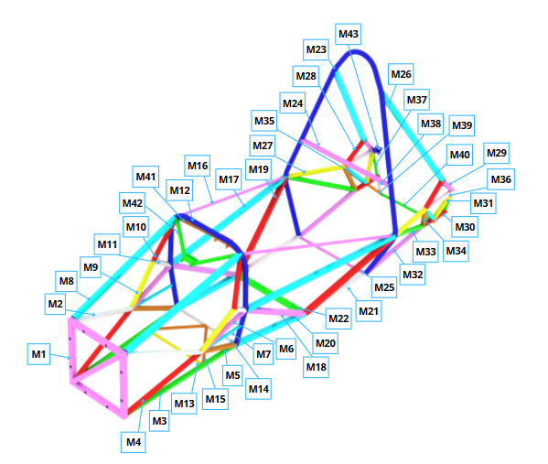
ItemOrder | Process | Use | UnitCost | Unit | Quantity | Multiplier | Mult. Val. | Sub Total
P1 | Tube Bends | Bending of Front Hoop and Main Hoop | $0.75 | bend | 9 |  |  | $6.75
P2 | Drilled holes < 25.4 mm dia. | Drilling holes on Front Bulkhead and Main Hoop | $0.35 | hole | 9 |  |  | $3.15
P3 | Tubing Lasercut Profiling/end preparation | Tubing Lasercut and Fishmouthing in square tubes 25x25x1,2mm: Front and Main Hoop Bracing, Side Impact Members | $0.04 | cm | 2.5 | Repeat 38 | 38 | $3.80
P4 | Tubing Lasercut Profiling/end preparation | Tubing Lasercut and Fishmouthing in round tubes 25,4x1,2mm: Front Bulkhead Supports, Upper, Diagonal and Lower Main Hoop Bracing Supports | $0.04 | cm | 2.54 | Repeat 48 | 48 | $4.88
P5 | Tubing Lasercut Profiling/end preparation | Tubing Lasercut and Fishmouthing in round tubes 15,87x0,75mm: Floor Tubes, Non Primary Structure Tubes | $0.04 | cm | 1.59 | Repeat 32 | 32 | $2.03
P6 | Tubing Lasercut Profiling/end preparation | Tubing Lasercut and Fishmouthing in round tubes 19,05x1,2mm: Steering Wheel Support, Steering Column Support and Part of Engine Support | $0.04 | cm | 1.91 | Repeat 10 | 10 | $0.76
P7 | Tubing Lasercut Profiling/end preparation | Tubing Lasercut and Fishmouthing in round tubes 25,4x0,9mm: Front, Upper and Lower Non-Stuctural Tubing | $0.04 | cm | 2.54 | Repeat 12 | 12 | $1.22
P8 | Machining Setup, Install and Remove | Positioning Steel (M43) plate 2mm for cutting, resulting in 8 pieces | $1.30 | unit | 0.13 | Repeat 8 | 8.00 | $1.30
P9 | Laser Cut | Cutting plates for Steering Wheel, Collum Fixture and Engine Flange Suports, set up on P7 | $0.01 | cm | 125.38 | Material - Steel | 3.00 | $3.76
P10 | Machining Setup, Install and Remove | Setting up steel (M46) for machining, resulting in 8 bushes | $1.30 | unit | 0.13 | Repeat 8 - 8 pieces | 8.00 | $1.30
P11 | Machining | Machining bushes (M46), set up on P10 | $0.04 | cm³ | 18.22 | Material - Steel | 3.00 | $2.19
P12 | Machining Setup, Install and Remove | Positioning Steel (M47) plate 1.5mm for cutting, resulting in 8 pieces | $1.30 | unit | 0.13 | Repeat 8 | 8.00 | $1.30
P13 | Laser Cut | Cutting plates for Covers of the end of Tubes, set up on P12 | $0.01 | cm | 62.96 | Material - Steel | 3.00 | $1.89
P14 | Tube End Preperation for Welding | Cleaning all round and square tubes for welding | $0.75 | end | 162 |  |  | $121.50
P15 | Hand Finish - Surface Preperation | Cleaning all 2 and 1.5 mm plates for welding | $0.02 | cm² | 49.22 | Material - Steel | 3.00 | $2.95
P16 | Assemble, 1kg, Line-on-line | Fitting all tubes and plates on chassis templates | $0.13 | unit | 97 |  |  | $12.61
P17 | Weld | Welding of all tubes and plates | $0.15 | cm | 972.82 |  |  | $145.92
P18 | Surface Preparation for Painting | Surface preparation for painting on the entire tube structure | $10.00 | m² | 1.99 |  |  | $19.86
P19 | Paint Apply, Schultz Type Application | Protective painting entire tube structure with paint (M45) | $2.00 | m² | 1.99 |  |  | $3.97
 |  |  |  |  |  |  | Sub Total | $341.14

ItemOrder | Fastener | Use | UnitCost | Size1 | Unit1 | Size2 | Unit2 | Quantity | Sub Total

 |  |  |  |  |  |  |  | Sub Total | $-

ItemOrder | Tooling | Use | UnitCost | Unit | Quantity | PVF | FracIncld | Sub Total
T1 | Welds - Welding Fixture | Entire tube structure, Nodes of chassis | $500.00 | point | 56 | 3000 | 20 | $0.47
 |  |  |  |  |  |  | Sub Total | $0.47

Compositos simulaçao
University | Universidade Federal de Minas Gerais |  |  |  |  |  |  |  | Car # | 2 |  | Part Cost | $6,133.26
System | Steering System |  |  |  |  |  |  |  |  |  |  | Qty | 1.000
Assembly | Steering Wheel |  |  |  |  |  |  |  | FileLink1 | BOM
Part | Steering Wheel |  |  |  |  |  |  |  | FileLink2 | Cost Summary |  | Extended Cost | $6,133.26
P/N Base | ST00002 |  |  |  |  |  |  |  | FileLink3 | A_Steering Wheel
Suffix | AA
Details | Student made Steering Wheel

ItemOrder | Material | Use | UnitCost | Size1 | Unit1 | Size2 | Unit2 | Area Name | Area | Length | Density | Quantity | Sub Total
M1 | Aramid (Kevlar) Fiber, 1 Ply | Aramid used to laminate Steering Wheel | $150.00 | 1.103 | kg |  |  | All sheets | 3.10640 | 0.000 | 1420.00 | 34.48 | $5,703.99
 |  |  |  |  |  |  |  |  |  |  |  | Sub Total | $5,703.99 | $5,703.99

ItemOrder | Process | Use | UnitCost | Unit | Quantity | Multiplier | Mult. Val. | Sub Total
P1 | Lamination, Manual | Lamination for Steering Wheel (M1) on structural foam (M2) | $35.00 | m^2 | 3.11 | Repeat 2 - 2 plies | 2 | $217.45
P2 | Resin application, Infusion Molding | Resin application for lamination process P1 | $2.50 | m² | 3.11 | Repeat 2 - 2 plies | 2 | $15.53
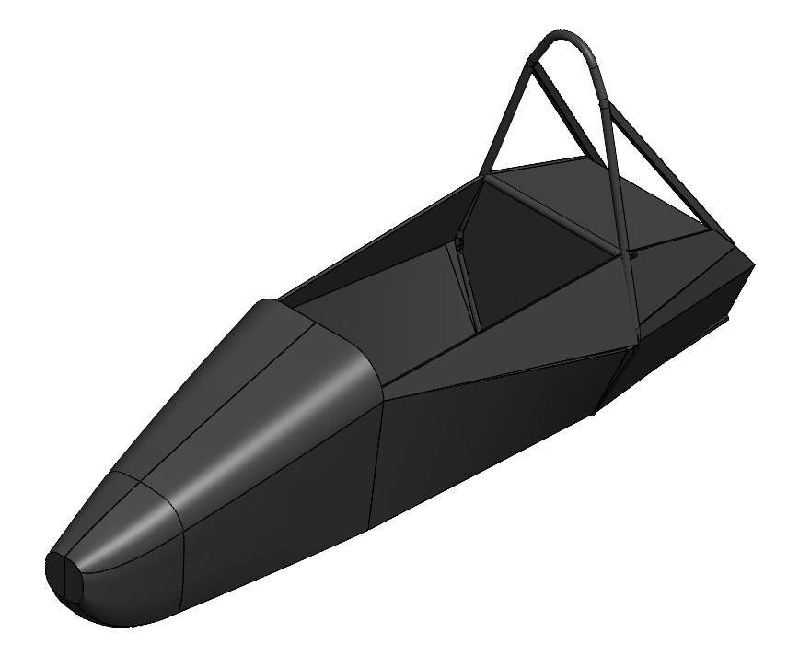
P3 | Vacuum Form | Use of vacumm during lamination process P1 | $10.00 | m² | 3.11 |  |  | $31.06
P4 | Cure, Autoclave | Cure for lamination process P1 | $50.00 | m² | 3.11 |  |  | $155.32
P5 | Machining Setup, Install and Remove | Setting up lamination product of process P1 for cutting | $1.30 | unit | 1 |  |  | $1.30
P6 | Waterjet Cut | Cutting Steering Wheel | $0.01 | cm | 704.9 |  |  | $7.05
 |  |  |  |  |  |  | Sub Total | $427.71 | $427.71

ItemOrder | Fastener | Use | UnitCost | Size1 | Unit1 | Size2 | Unit2 | Quantity | Sub Total

 |  |  |  |  |  |  |  | Sub Total | $- | $-

ItemOrder | Tooling | Use | UnitCost | Unit | Quantity | PVF | FracIncld | Sub Total
T1 | Lamination - Flat Panel Tool | Lamination on structural foam P1 | $1,500.00 | m² | 3.106 | 3000 | 1 | $1.55
 |  |  |  |  |  |  | Sub Total | $1.55 | $1.55

